Content
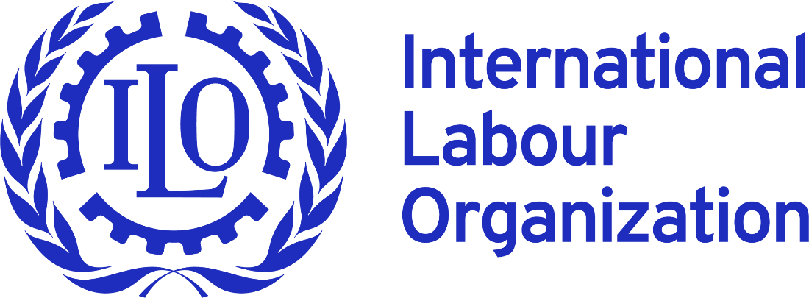


 |  |  | NSDI DATABASE - Arab States
 |  |  | National Social Dialogue Institutions

DATABASE CONTENT |  | Last Update | This qualitative section of the extended NSDI Database covers 11 Arab countries and the Occupied Palestinian Territory. By clicking on a country name, you will access qualitative information on its national social dialogue institution, including: - Legal basis and date of creation - Composition and chairing arrangements - Mandate, structure, and decision-making rules - Reporting lines and number of meetings - Key outcomes and other practical details | Disclaimer: This database relies to a significant extent on publicly available information, obtained through desk research done by ILO officials. Though we did our best and used the most reliable sources, it doesn`t exclude a possibility of mistake or inaccuracy. In this regard, all the data presented therein should be taken with caution as it may not represent the most recent changes, having occurred in legislation and/or practice of a given NSDI. You could help us make this database better. If you have any comments or updates to the database, please send us a request, indicating contact details, place of work and source of your information to following e-mail address: NSDI@ilo.org. We will get in contact with you. Your comments will be added after pertinent verification.
1 | Bahrain | 2026-07-14
2 | Iraq | 2026-07-14
3 | Jordan | 2026-07-14
4 | Kuwait | 2026-07-14
5 | Lebanon | 2026-06-04
6 | Occupied Palestinian Territory | 2026-06-04
7 | Oman | 2026-06-04
8 | Qatar | 2026-06-04
9 | Saudi Arabia | 2026-06-04
10 | Syrian Arab Republic | 2026-06-04
11 | United Arab Emirates | 2026-06-04 |  | Methodology and explainatory note (READ ME)
12 | Yemen | 2026-06-04

Bahrain
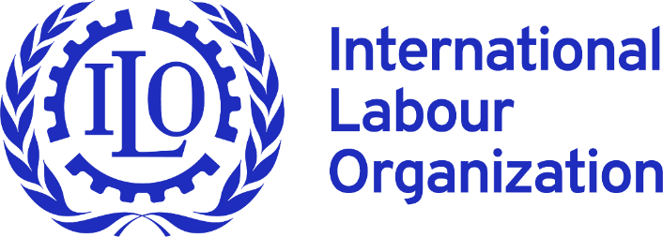
 |  | NSDI DATABASE - Arab States
 |  | National Social Dialogue Institutions

 | Bahrain

N | Criterion | Questions | Answers
1 | Name of the principal social dialogue institution (SDI) at the national level | e.g. Tripartite Commission, or (bipartite/ tripartite) Economic and Social Council or similar institution | Labour market regulatory authority (LMRA)
2 | Other specialized istitutions | If there are other specialized institutions, please list them (e.g. wages, productivity, occupational safety and health etc.). | Social Insurance Organisation (SIO) Chamber for Safety and health . Labour Fund (Tamkeen) Labour Arbitration Committee. The Joint Committee(GFBTU-Minister Labour ). The Diligent Employees Committee
3 | Website of the principal institution | Also available in English/ French/ Spanish/Other language? | الاتحاد العام لنقابات عمال البحرين – GENERAL FEDERATION OF BAHRAIN TRADE UNIONS (gfbtu.org) English News – الاتحاد العام لنقابات عمال البحرين (gfbtu.org)
4 | Member of AICESIS | yes / no | No
5 | Legal basis for the establishment | E.g. constitution, law, agreement ? | ACT NO. (19) (2006) WITH REGARD TO THE REGULATION OF THE LABOUR MARKET
 |  | Please indicate source and provide the Internet link | https://www.lmra.gov.bh/en/page/show/5 The links to the documents on other institutions: https://www.sio.gov.bh/ https://www.tamkeen.bh/en/ https://www.lloc.gov.bh/Legislation/id/RCAB0215 https://www.lloc.gov.bh/PDF/RJIW9724.pdf
6 | Date of creation | Initial/ renewed if applicable | 2006
7 | Independence of the institution | Does the SDI operate under the auspices of a G entity, or is it independent ? | The SDI operates under the auspices of a G
8 | Composition | How many persons per group are member of the institution (GOV, W, E) ? | 5G+2W+2E
 |  | If there are “others” in addition to GOV, W, E (e.g. academia / ‘civil society’), how many and in which role (e.g. as member, observer, etc)? | No
 |  | What is the current ratio of men and women (latest data available)? | 9 members total: 6 men and 3 women. The board is chaired by the Minister of Labour, Yousif Khalaf. The eight other members named in Decree No. 54 of 2025 are Sahar Rashed Al-Mannai, Fatima Abdulghani Ismail, Adnan Abdulwahab Ishaq, Brig. Abdulaziz Abdulrahman Al Doseri, Mohammed Abduljabbar Al Kooheji, Sonia Mohammed Janahi, Yousif Ahmed Hassan Ahmed, and Alaa Hassan Abdulrahman .
 |  | Who decides on membership in NSDI? | The board is appointed by Royal Decree. Article 6 of Law No. 19 of 2006 provides a 9-member board: 4 members nominated by the Cabinet, including the chair; 1 by the Economic Development Board; 2 by the Bahrain Chamber of Commerce and Industry; and 2 by the General Federation of Workers Unions. If the Chamber or union side does not appoint within 30 days after being notified, the Minister may appoint the members for that side. (Natlex) Decree No. 54 of 2025 confirms the current reconstitution was issued by the King based on the Prime Minister’s presentation and Cabinet approval.
 |  | What are criteria for membership, who decides, where is it laid down? | The criteria are in Article 6 of Law No. 19 of 2006 Regulating the Labour Market. Members must be honest, capable, and have the necessary expertise. Article 6 also prohibits combining LMRA board membership with directorship of the Labour Fund or with any other position in the Authority or Labour Fund. (Natlex)
 |  | If representativeness is a criterion, how it is determined? | Yes, structurally. Article 6 fixes the composition by nominating institutions: Cabinet/government, Economic Development Board, Bahrain Chamber of Commerce and Industry, and the General Federation of Workers Unions. Representativeness is therefore checked through the appointing/nominating source, not through a detailed electoral or membership-density test in the law. The law does not set a gender quota or an explicit representativeness verification formula for workers’ or employers’ organizations. (Natlex)
9 | Chairperson | Who is the Chairman person? e.g. Prime Minister/Deputy PM, Minister of Labour, independent chairperson, W and E on a rotating basis… | Minister of Labour
 |  | How is the chairperson nominated (decree by the President of the Republic/Gov or other, elected by Parliament, etc)? | decree by the H.M. the King /Gov order .
10 | Membership update | Is there a regular update, and if yes, how often ? | Upon necessity (between 3 to 4 years)
11 | Competency | Does the institution have a consultative/ advisory or negotiation role or decision making? (or all) | The LMRA is primarily a regulatory and decision-making public authority, not only a consultative council. Article 3 establishes it as an administratively and financially independent public authority under ministerial supervision. Article 4 gives it functions including regulating the labour market, work permits, recruitment/employment agencies, labour-market strategy, data/statistics, policy proposals, awareness, inspections, fees, and labour-market studies. Article 5 requires consultations with the public and concerned parties before regulations/decisions/actions that materially affect the labour market. Article 7 gives the board authority to run the Authority, set policies, approve plans and budgets, issue regulations, and supervise implementation. (Natlex)
12 | Mandate | What policy areas/ issues are on the agenda for discussion? Please list. | LMRA is responsible for regulating the labour market, managing work permits, overseeing recruitment agencies, and supporting labour market policy development
13 | Formulation of own-initiative opinions | Can the NSDI formulate own-initiative opinions? yes / no | Yes
14 | Response to policy and/or legislative proposals | Does the NSDI respond to policy and/or legislative proposals submitted for consultation by the Government? yes / no | Yes
15 | The obligation of the Government to consult the NSDI | Is the Government obliged to consult the NSDI on labour and/or socio-economic issues? yes / no | Yes
16 | Structure | What are the main executive organs of the SDI (bureau, plenary, sub-committees, etc.)? | The main legal bodies are: Board of Directors, Chairperson, Vice-Chairperson, Chief Executive Officer, Board secretary, and Audit Committee. The Board may also assign specific functions to committees of its members, the chair, a director, or the CEO. Article 21 establishes the Audit Committee, composed of three directors plus at least two non-director experts nominated by the Minister.
17 | Decision-taking | How are decisions taken? By consensus, vote, or both? | By majority vote
18 | Reporting to … | Prime Minister, Minister of Labour, and/or Parliament, etc. | Minister of Labour,other G representative
 |  | Are the decisions also published? | Yes
19 | Number of meetings last two years | Please indicate - not the number of meetings in accordance with the legal act, but the number of meetings actually held, incl. virtual meetings | 4
20 | Secretariat | Are the functions of secretariat performed by a state institution? | NI
 |  | What is the size of the secretariat? | NI
 |  | Is there a research unit to support the work of the institution? | Yes
21 | Institutional environment | Who does the Secretariat interact with? Please indicate institutional environment e.g: ministries, other State institutions, social partners, independent experts, academia, etc. | All the listed
22 | DiscussIon of C144-related matters | Does the SDI discuss C144-related matters? yes / no | Yes, this constitutes a core function of the NSDI
23 | The most significant outcomes of the dialogue in recent times. | Please include the major results that were achieved through social partnership. For example. social pact (signed); agreement on government programme / political measure / draft law; joint opinion, recommendation, or similar. | The main recommendations included strengthening access to information legislation and reinforcing dialogue with employers. Our assessment is that the overall effectiveness of these measures has been modest.
24 | All other relevant/useful information | Please add any other relevant information from your point of view | The ILO promotes social dialogue institutions in Bahrain by strengthening tripartite cooperation among the government, employers, and workers through capacity-building activities and policy support. This framework helps ensure that labour market reforms and economic strategies are developed and implemented through consultation and consensus-building among the social partners. The Labour Market Regulatory Authority (LMRA) is Bahrain's principal tripartite labour governance institution. Established under Law No. 19 of 2006 Regulating the Labour Market, the LMRA is responsible for regulating the labour market, managing work permits, overseeing recruitment agencies, and supporting labour market policy development. Its Board of Directors includes representatives of the Government, employers, and workers, providing a formal mechanism for tripartite participation in labour market governance. While the LMRA primarily performs regulatory and administrative functions rather than serving as a dedicated consultative body, its tripartite governance structure and role in shaping labour market policies make it a key national institution for social dialogue and labour governance in Bahrain.

 | PREVIOUS | HOME PAGE | NEXT

Iraq
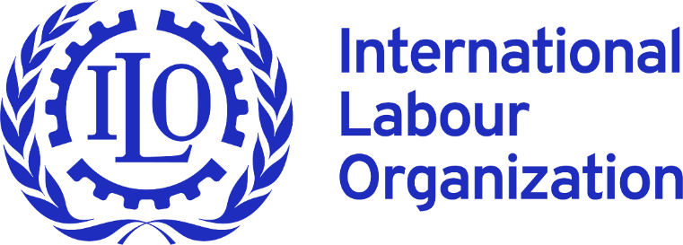
 |  | NSDI DATABASE - Arab States
 |  | National Social Dialogue Institutions

 | Iraq

N | Criterion | Questions | Answers
1 | Name of the principal social dialogue institution (SDI) at the national level | e.g. Tripartite Commission, or (bipartite/ tripartite) Economic and Social Council or similar institution | Labour Social Dialogue Forum
2 | Other specialized istitutions | If there are other specialized institutions, please list them (e.g. wages, productivity, occupational safety and health etc.). | The Council of Labour and Social Affairs The Higher Committee for Planning and Employment of Labour force. The Tripartite Consultation Committee. The Wage Determination Committee. Social Security Fund. The Board of Directors of the Workers’ Retirement and Social Security. The Social Dialogue Forum
3 | Website of the principal institution | Also available in English/ French/ Spanish/Other language? | no
4 | Member of AICESIS | yes / no | no
5 | Legal basis for the establishment | E.g. constitution, law, agreement ? | NI
 |  | Please indicate source and provide the Internet link | The best public links I found are: UN Iraq / ILO press release: Launch of the National Social Dialogue Forum in Iraq to Strengthen Trade Union Rights and Freedoms; and NINA: The launch document of the National Social Dialogue Forum signed. These confirm the launch and participants, but I did not find the actual signed launch document or a legal gazette text online. (https://iraq.un.org/en/290010-launch-national-social-dialogue-forum-iraq-strengthen-trade-union-rights-and-freedoms)
6 | Date of creation | Initial/ renewed if applicable | February 2025.
7 | Independence of the institution | Does the SDI operate under the auspices of a G entity, or is it independent ? | The SDI(s) SDF operates under the auspices of a Government entity (MoLSA)
8 | Composition | How many persons per group are member of the institution (GOV, W, E) ? | 18 (6 Gov. , 6 Workers , 6 Employers.)
 |  | If there are “others” in addition to GOV, W, E (e.g. academia / ‘civil society’), how many and in which role (e.g. as member, observer, etc)? | No
 |  | What is the current ratio of men and women (latest data available)? | NI
 |  | Who decides on membership in NSDI? | The membership is determined by law
 |  | What are criteria for membership, who decides, where is it laid down? | There is no bylaw for mentioned NSDI(s) to specify the criteria for membership, or the way those tripartite structures are managed in details. The bylaw of the National Social Dialogue Forum is under drafting by a committee of experts from MoLSA , Trade Unions, and Iraqi Federation of Industries.
 |  | If representativeness is a criterion, how it is determined? | N/A
9 | Chairperson | Who is the Chairman person? e.g. Prime Minister/Deputy PM, Minister of Labour, independent chairperson, W and E on a rotating basis… | The Minister of Labour is the chairperson of the SDF.
 |  | How is the chairperson nominated (decree by the President of the Republic/Gov or other, elected by Parliament, etc)? | NI
10 | Membership update | Is there a regular update, and if yes, how often ? | Updated as needed
11 | Competency | Does the institution have a consultative/ advisory or negotiation role or decision making? (or all) | Consultative/ advisory role.
12 | Mandate | What policy areas/ issues are on the agenda for discussion? Please list. | Social Dialogue Forum 1. Consultation and Information Exchange Providing a regular platform for dialogue among the three parties to exchange views and information on labour market issues and social and economic policies. 2. Review of Labour Legislation Discussing labour laws, social security, and trade union regulations, and proposing amendments in line with international labour standards. 3. Support to National Policies Providing opinions and recommendations on economic and social policies related to employment, wages, investment, and working conditions. 4. Strengthening Social Protection Contributing to discussions on pensions, social security, unemployment benefits, and expanding protection schemes for workers. 5. Resolution of Labour Disputes Supporting the development of collective bargaining mechanisms and peaceful settlement of disputes between workers and employers. 6. Promoting Compliance with International Labour Standards Assisting Iraq in implementing ratified international labour conventions, particularly those related to freedom of association, collective bargaining, and labour justice.
13 | Formulation of own-initiative opinions | Can the NSDI formulate own-initiative opinions? yes / no | Yes.
14 | Response to policy and/or legislative proposals | Does the NSDI respond to policy and/or legislative proposals submitted for consultation by the Government? yes / no | Yes.
15 | The obligation of the Government to consult the NSDI | Is the Government obliged to consult the NSDI on labour and/or socio-economic issues? yes / no | Yes.
16 | Structure | What are the main executive organs of the SDI (bureau, plenary, sub-committees, etc.)? | Plenary
17 | Decision-taking | How are decisions taken? By consensus, vote, or both? | By consensus, and vote.
18 | Reporting to … | Prime Minister, Minister of Labour, and/or Parliament, etc. | Reporting to the Minister of Labour.
 |  | Are the decisions also published? | Some decisions published, especially that relating with the minimum wages.
19 | Number of meetings last two years | Please indicate - not the number of meetings in accordance with the legal act, but the number of meetings actually held, incl. virtual meetings | 5 meeting were conducted by Social Dialogue Forum during 2025.
20 | Secretariat | Are the functions of secretariat performed by a state institution? | There is a new tripartite secretariate for the National Social Dialogue Forum.
 |  | What is the size of the secretariat? | NI
 |  | Is there a research unit to support the work of the institution? | No
21 | Institutional environment | Who does the Secretariat interact with? Please indicate institutional environment e.g: ministries, other State institutions, social partners, independent experts, academia, etc. | Forum/secretariat environment includes the Ministry of Labour and Social Affairs, the Deputy Minister for Labour Affairs, ministry directors and senior officials, workers’ organizations, employers’ organizations, the Iraqi Parliament Labour Committee, civil society institutions, ILO, international agencies, and EU-supported activities. A 2026 preparatory meeting also involved ministry representatives, social partners, and ILO, and discussed the Forum’s internal rules and working mechanisms.
22 | DiscussIon of C144-related matters | Does the SDI discuss C144-related matters? yes / no | Yes
23 | The most significant outcomes of the dialogue in recent times. | Please include the major results that were achieved through social partnership. For example. social pact (signed); agreement on government programme / political measure / draft law; joint opinion, recommendation, or similar. | Some successful social dialogue in Iraq resulted in the enactment of Labour Law No. 37 of 2015, currently applicable in Iraq, with the participation of the government represented by the MoLSA, the House of Representatives, all federations, labour unions, employer organisations, and some civil society organisations. A series of joint meetings were held between the aforementioned parties to review the draft Labour Law and make the necessary amendments before proceeding to vote at the House of Representatives. The same is happening now regarding the preparation of the drafts of Retirement and Social Security Law for workers, the Labour Law for the Kurdistan region, and the Trade Union Law in Iraq after the success of the first experiment in 2015 with the Labour Law. There is no social pacts signed and there is no agreement on government program or economic policies were taken. There is a lack of freedom of association and democratic principles in Iraq regarding establishing/joining trade unions. The trade union organization that represents workers in the tripartite committee is weak, and there is a negative sign regarding its independence and the representation of workers actively. Only one Trade Unions organization was represented in the tripartite committees, and many other organizations were excluded. The Employers Federation was represented in the tripartite committees, specifically the Iraqi Federation of Industries IFI. IFI is more active and independent than the Trade Union Organization that represents Iraq Workers in the tripartite bodies. There is a limited political will to engage in a serious and active social dialogue. Lack of adequate institutional support. There are no previous practices and experiences in social dialogue, especially since Iraq has gone through a period of a totalitarian regime for nearly four decades, which affected democratic practices in general, especially concerning social dialogue. The establishment of the Social Dialogue Forum
24 | All other relevant/useful information | Please add any other relevant information from your point of view

 | PREVIOUS | HOME PAGE | NEXT

READ ME
 |  |  | NSDI DATABASE - ARAB STATES
 |  |  | National Social Dialogue Institutions

 |  | Name of the country | : name of the country is hyperlinked and connected to the country profile in NORMLEX

 | N | Criterion | Section
 | 1 | Name of the principal social dialogue institution (SDI) at the national level | This section identifies the main national-level institution responsible for social dialogue in the country. This may include a tripartite, bipartite or other commission, economic and social council, labour advisory board, or another formal mechanism bringing together government, workers’ and employers’ representatives.
 | 2 | Other specialized istitutions | This section captures additional specialized social dialogue bodies operating at the national level, particularly those focused on specific thematic areas such as wages, occupational safety and health (OSH), productivity, pensions, skills, or sector-specific dialogue.
 | 3 | Website of the principal institution | This section provides the official website of the NSDI institution or a government institution with the information on the NSDI . The objective is to facilitate access to official information and improve transparency
 | 4 | Member of AICESIS | This section indicates whether the institution is a member of the AICESIS, an international network of economic and social councils and similar institutions promoting dialogue and exchange of practices global
 | 5 | Legal basis for the establishment | This section identifies the legal or institutional foundation of the SDI, such as a constitution, law, decree, government resolution, collective agreement, or established practice/custom. Where possible, official legal references and internet links are provided.

 | 6 | Date of creation | This section indicates the year (and where available, exact date) when the institution was established, including major reforms or renewals if applicable.
 | 7 | Independence of the institution | This section explains whether the institution operates independently or under the auspices of a government entity, ministry, parliament, or another public authority. It helps assess the institutional autonomy of the SDI.
 | 8 | Composition | This section provides information on the institutional composition of the SDI, including: - the number of representatives from Government (GOV), Workers (W), and Employers (E); - participation of additional actors (e.g. academia, civil society, independent experts); - gender composition; - membership selection procedures; - criteria for membership and representativeness. The purpose is to assess inclusiveness, representativeness, and institutional balance.

 | 9 | Chairperson | This section describes the leadership structure of the institution, including: - who chairs the institution (e.g. Prime Minister, Minister, rotating chairperson, co-chairpersons); - how chairpersons are nominated or appointed; - whether the system is based on parity or rotation among social partners.

 | 10 | Membership update | This section explains whether membership of the institution is periodically renewed or updated, and if so, how frequently.
 | 11 | Competency | This section outlines the functional role of the SDI, including whether it has: - consultative or advisory functions; - negotiation functions; - decision-making functions.
 | 12 | Mandate | This section describes the substantive policy areas covered by the institution’s work. These may include labour law, wages, employment, social protection, occupational safety and health, economic policy, collective bargaining, social partnership, ILO standards, or broader socio-economic matters.
 | 13 | Formulation of own-initiative opinions | This section indicates whether the institution has the right to initiate discussions or formulate opinions/recommendations independently, without a formal request from the Government.
 | 14 | Response to policy and/or legislative proposals | This section indicates whether the institution reviews and responds to draft laws, government programmes, policy proposals, or regulatory initiatives submitted for consultation.
 | 15 | The obligation of the Government to consult the NSDI | This section clarifies whether there is a legal or institutional obligation for the Government to consult the SDI on labour, employment, social, or socio-economic policies.
 | 16 | Structure | This section describes the internal organizational structure of the institution, including plenary bodies, bureaus, presidiums, committees, commissions, subcommittees, working groups, or sectoral/territorial structures.
 | 17 | Decision-taking | This section explains how decisions are adopted within the institution, including whether decisions are taken: - by consensus; - by voting; - through mixed procedures. It may also clarify voting rights and procedural rules.
 | 18 | Reporting to … | This section identifies the institutional reporting line of the SDI, such as reporting to the Prime Minister, President, Ministry of Labour, Parliament, or another authority. It also indicates whether decisions, recommendations, or reports are publicly available.

 | 19 | Number of meetings last two years | This section provides information on the actual number of meetings held during the previous two years, including physical and virtual meetings. The objective is to assess the practical level of institutional activity.
 | 20 | Secretariat | This section describes the administrative and technical support arrangements of the institution, including: - whether the secretariat is hosted by a public institution; - the size of the secretariat; - existence of analytical or research support units.

 | 21 | Institutional environment | This section explains the broader institutional ecosystem in which the SDI operates, including interaction with: - ministries and public institutions; - employers’ and workers’ organizations; - independent experts; - academia; - civil society; - international organizations.
 | 22 | DiscussIon of C144-related matters | This section indicates whether the institution discusses matters related to International Labour Organization Convention No. 144 concerning tripartite consultations, including consultations on international labour standards, ILO reporting obligations, and other tripartite consultation matters.
 | 23 | The most significant outcomes of the dialogue in recent times. | This section highlights the most important achievements produced through social dialogue and social partnership in recent years. Examples may include: - social pacts; - collective agreements; - labour law reforms; - wage agreements; - national employment or social protection strategies; - joint recommendations; - institutional reforms; - etc.
 | 24 | All other relevant/useful information | This section allows contributors to include any additional information relevant for understanding the institutional context, functioning, strengths, challenges, or specific features of the SDI not covered elsewhere.

 |  |  | HOME PAGE

