Content
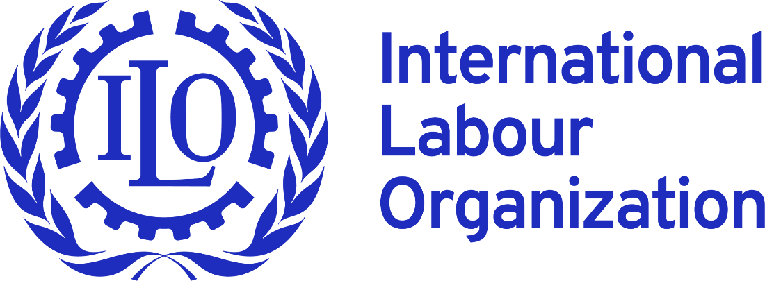


 |  |  | NSDI DATABASE
 |  |  | National Social Dialogue Institutions

DATABASE CONTENT |  | What this database can do? a) it can make comparison of countries within a region or across the globe using up to 10 criteria (type of institution, date of creation, composition etc.). b) it can calculate statistics on each of the criterion regionally or globally. c) it can produce diagrams reflecting each of the criterion regionally or globally. d) it can generate diagrams in the form of world maps, demonstrating how the applied criteria appear worldwide (for example countries with different types of institutions). e) it provides comparative data on main social dialogue conventions (87,98,144,135, 151,154). |  | Disclaimer: This database relies to a significant extent on publicly available information, obtained through desk research done by ILO officials. It, however, doesn`t exclude the possibility of a mistake or inaccuracy and the data presented should be taken with caution as it may not represent the most recent changes, having occurred in legislation and/or practice of a given NSDI. You could help us make this database better. If you have any comments or updates to the database, please send us a request, indicating contact details, place of work and source of your information to following e-mail address: NSDI@ilo.org. We will get in contact with you if appropriate. Your comments may be added after pertinent verification.
1 | Global Country Information
2 | Global Statistics
3 | Global Statistics in Diagrams
4 | Tripartie Social Dialogue in MAPS
5 | Africa Country Information
6 | Statistics on Africa
7 | Africa in Diagrams
8 | Americas Country Information
9 | Statistics on Americas
10 | Americas in Diagrams |  |  | Methodology and explainatory note (READ ME)
11 | Arab states Country Information
12 | Statistics on Arab States
13 | Arab States in Diagrams
14 | Asia & Pacific Country Information
15 | Statistics on Asia & Pacific
16 | A&P in Diagrams
17 | Europe & C.Asia Country Information
18 | Statistics on Europe & C.Asia
19 | Europe & C.Asia in Diagrams
20 | Main SD Conventions
21 | Statistics on main SD Conventions
22 | Main SD Conventions in DIAGRAMS
NB! Special cases

Global Statistics
 |  |  |  |  | NSDI DATABASE
 |  |  |  |  | National Social Dialogue Institutions

GLOBAL STATISTICS
Countries | NSDI |  | Other NSDIs specialised in one topic |  | Type |  | Main body created in |  | Composition |  | Secretariat |  | Chairperson |  | Meetings in 2022-2023 |  | Including Convention 144 |  | Operational (according to our own findings or responses)
188 | yes | 165 | yes | 101 | trip+ | 31 | Before 2000 | 65 | Between 5 and 30 | 98 | yes | 126 | President/ PM | 16 | Meetings in 2022-2023 | 93 | yes | 97 | Yes | 101
 | N/A | 23 | no | 67 | trip | 119 | After 2000 | 89 | Between 31 and 60 | 24 | no | 4 | Minister/Director/Other government official | 62 | No meetings in 2022-2023 | 16 | no | 34 | No | 17
 | NI | 0 | N/A | 19 | bipar + | 7 | N/A | 23 | More than 61 | 15 | N/A | 23 | Independent | 17 | N/A | 23 | N/A | 23 | N/A | 23
 |  |  | NI | 1 | bipar | 3 | NI | 10 | Irregular | 8 | NI | 35 | On rotational basis | 9 | NI | 56 | NI | 34 | NI | 47
 |  |  |  |  | N/A | 23 |  |  | N/A | 23 | yes-G | 57 | Joint Presidency | 1
 |  |  |  |  | NI | 5 |  |  | NI | 19 |  |  | Chair elected | 16
 |  |  |  |  |  |  |  |  |  |  |  |  | N/A | 23
 |  |  |  |  |  |  |  |  |  |  |  |  | NI | 31

 |  |  |  |  | PREVIOUS PAGE |  |  |  |  | HOME PAGE |  |  |  | NEXT PAGE

Global Statistics in DIAGRAMS
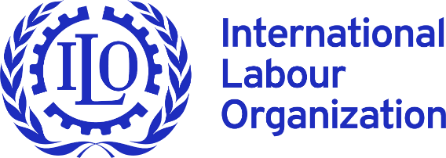 |  | NSDI DATABASE
 |  | National Social Dialogue Institutions

 | Global statistics in DIAGRAMS

Countries with NSDIs
yes | 165
N/A | 23
Other NSDIs specialised in one topic
yes | 101
no | 67
N/A | 19
NI | 1
Type of NSDIs globally
trip+ | 31
trip | 119
bipar + | 7
bipar | 3
N/A | 23
NI | 5

Main body created in
Before 2000 | 65
After 2000 | 89
N/A | 23
NI | 10
Composition
Between 5 and 30 | 98
Between 31 and 60 | 24
More than 61 | 15
Irregular | 8
N/A | 23
NI | 19
Secretariat
yes | 126
no | 4
N/A | 23
NI | 35

Operational Institutions Globally
Yes | 101
No | 17
N/A | 23
NI | 47
Chairperson
President/ PM | 16
Minister/Director/Other government official | 62
Independent | 17
On rotational basis | 9
Joint Presidency | 1
Chair elected | 16
N/A | 23
NI | 31
Meetings in 2022-2023
Meetings in 2022-2023 | 93
No meetings in 2022-2023 | 16
N/A | 23
NI | 56

 | PREVIOUS PAGE |  | HOME PAGE | NEXT PAGE

SD MAPS
 |  | NSDI DATABASE
 |  | National Social Dialogue Institutions

Social Dialogue in MAPS
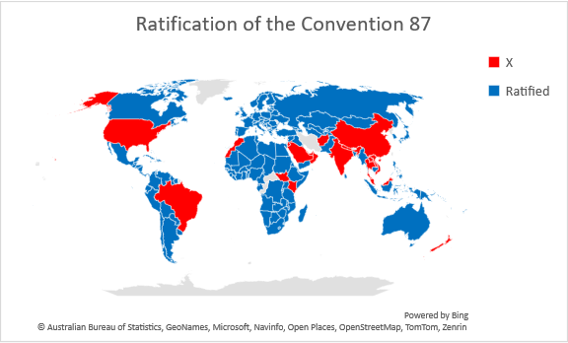

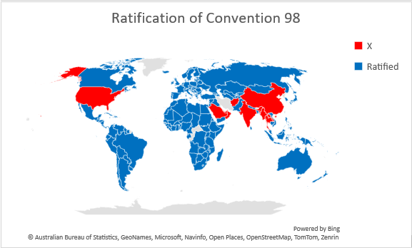
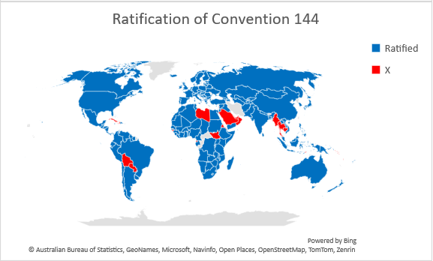
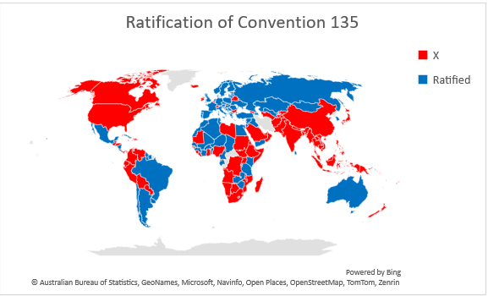

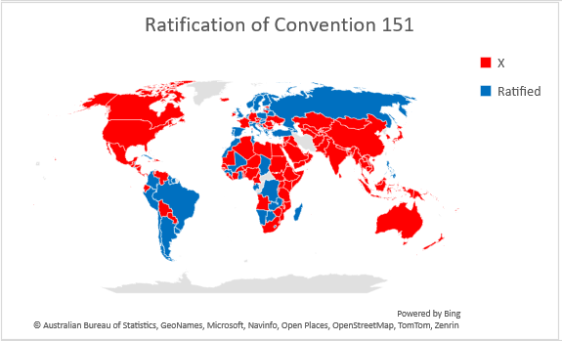
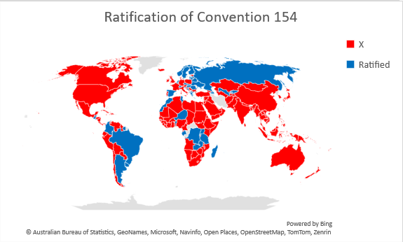

 | PREVIUOS PAGE |  | HOME PAGE | NEXT PAGE

Africa in DIAGRAMS
 | NSDI DATABASE
 | National Social Dialogue Institutions

Africa in DIAGRAMS

Countries in Africa with NSDIs
yes | 51
N/A | 3
Other NSDIs in Africa specialised in one topic
yes | 32
no | 18
N/A | 3
NI | 1
Type of NSDIs in Africa
trip+ | 11
trip | 38
bipar + | 0
bipar | 1
N/A | 3
NI | 1

Main body created in
Before 2000 | 15
After 2000 | 33
N/A | 3
NI | 2
Composition
Between 5 and 30 | 34
Between 31 and 60 | 9
More than 61 | 7
Irregular | 0
N/A | 3
NI | 0
Secretariat
yes | 43
no | 2
N/A | 3
NI | 6

Chairperson
President/ PM | 3
Minister/Director/ Other government official | 16
Independent | 9
On rotational basis | 3
Chair elected | 4
N/A | 3
NI | 3
Including Convention 144
yes | 39
no | 9
N/A | 3
NI | 3
Meetings in 2022-2023 (NSDIs in Africa)
Meetings in 2022-2023 | 33
No meetings in 2022-2023 | 11
N/A | 3
NI | 7

Operational institutions in Africa
Yes | 36
No | 13
N/A | 3
NI | 2

 | PREVIOUS PAGE | HOME PAGE | NEXT PAGE

Americas in DIAGRAMS
 | NSDI DATABASE
 | National Social Dialogue Institutions

Americas in DIAGRAMS
Countries in Americas with NSDIs
yes | 29
N/A | 6
NI | 0
Other NSDI in Americas specialised in one topic
yes | 22
no | 10
N/A | 3
NI | 0
Type of NSDIs in Americas
trip+ | 4
trip | 20
bipar + | 3
bipar | 0
N/A | 6
NI | 2

Main body created in
Before 2000 | 9
After 2000 | 17
N/A | 6
NI | 3
Composition
Between 5 and 30 | 19
Between 31 and 60 | 4
More than 61 | 1
Irregular | 2
N/A | 6
NI | 3
Secretariat
yes | 15
no | 0
N/A | 6
NI | 14

Chairperson
President/ PM | 1
Minister/Director/Other government official | 9
Independent | 2
On rotational basis | 1
Chair elected | 2
N/A | 6
NI | 14
Meetings in 2022-2023
Meetings in 2022-2023 | 9
No meetings in 2022-2023 | 3
N/A | 6
NI | 17
Convention 144
yes | 7
no | 12
N/A | 6
NI | 10

Operational instutitions in Americas
Yes | 10
No | 2
N/A | 6
NI | 17

 |  | PREVIOUS PAGE | HOME PAGE | NEXT PAGE

Arab States in DIAGRAMS
 | NSDI DATABASE
 | National Social Dialogue Institutions

Arab states in DIAGRAMS

Countries with NSDIs in Arab region
yes | 6
N/A | 6
NI | 0
Other NSDIs specialised in one topic
yes | 4
no | 2
N/A | 6
NI | 0
Type of institutions in Arab region
trip+ | 2
trip | 4
bipar + | 0
bipar | 0
N/A | 6
NI | 0

Main body created in
Before 2000 | 1
After 2000 | 4
N/A | 6
NI | 1
Composition
Between 5 and 30 | 4
Between 31 and 60 | 1
More than 61 | 1
N/A | 6
Secretariat
yes | 4
no | 2
N/A | 6

Chairperson
Minister/Director/Other government official | 4
Chair elected | 1
N/A | 6
Meetings in 2022-2023
Meetings in 2022-2023 | 3
No meetings in 2022-2023 | 0
N/A | 6
NI | 3
Convention 144
yes | 3
no | 1
N/A | 6
NI | 2

Operational institutions in Arab region
Yes | 5
No | 0
N/A | 6
NI | 1

 | PREVIOUS PAGE | HOME PAGE | NEXT PAGE

A&P in DIAGRAMS
 | NSDI DATABASE
 | National Social Dialogue Institutions

Asia and Pacific in DIAGRAMS
Other NSDIs specialised in one topic
yes | 20
no | 12
N/A | 4
NI | 0
Type of institutions in A&P
trip+ | 3
trip | 27
N/A | 4
NI | 2
Countries in Asia and Pacific with NSDIs
yes | 32
N/A | 4

Main body created in
Before 2000 | 14
After 2000 | 17
N/A | 4
NI | 1
Composition
Between 5 and 30 | 17
Between 31 and 60 | 3
More than 61 | 1
Irregular | 3
N/A | 4
NI | 8
Secretariat
yes | 29
no | 0
N/A | 4
NI | 3

Chairperson
Minister/Director/Other government official | 25
Independent | 2
N/A | 4
NI | 3
Meetings in 2022-2023
Meetings in 2022-2023 | 19
No meetings in 2023-2024 | 2
N/A | 4
NI | 11
Convention 144
yes | 18
no | 6
N/A | 4
NI | 8

Operational Instiutions in A&P
Yes | 20
No | 2
N/A | 4
NI | 10

 |  | PREVIOUS PAGE | HOME PAGE | NEXT PAGE

Europe & C.Asia in DIAGRAMS
 | NSDI DATABASE
 | National Social Dialogue Institutions

Europe and Central Asia in DIAGRAMS
Countries in Europe and Central Asia with NSDIs
yes | 47
N/A | 4
Other NSDIs specialised in one topic
yes | 23
no | 25
N/A | 3
NI | 0
Type of institutions in Europe & C.Asia
trip+ | 11
trip | 30
bipar + | 4
bipar | 2
N/A | 4
NI | 0

Main body created in
Before 2000 | 26
After 2000 | 18
N/A | 4
NI | 3
Composition
Between 5 and 30 | 24
Between 31 and 60 | 7
More than 61 | 5
Irregular | 3
N/A | 4
NI | 8
Secretariat
yes | 35
N/A | 4
NI | 12

Chairperson
President/ PM | 12
Minister/Director/Other government official | 8
Independent | 4
On rotational basis | 5
Joint Presidency | 1
Chair elected | 7
N/A | 4
NI | 10
Meetings in 2022-2023
Meetings in 2022-2023 | 29
N/A | 4
NI | 18
Convention 144
yes | 30
no | 6
N/A | 4
NI | 11

Operational institutions in Europe and Central Asia
Yes | 30
No | 0
N/A | 4
NI | 17

 | PREVIOUS PAGE | HOME PAGE | NEXT PAGE

Main SD Conventions in DIAGRAMS
 |  | NSDI DATABASE
 |  | National Social Dialogue Institutions

Main Social Dialogue Conventions in Diagrams

 | AFRICA
CONVENTION 87 | 51
CONVENTION 98 | 54
CONVENTION 144 | 48
CONVENTION 135 | 23
CONVENTION 151 | 15
CONVENTION 154 | 13
 | AMERICAS
CONVENTION 87 | 33
CONVENTION 98 | 34
CONVENTION 144 | 30
CONVENTION 135 | 15
CONVENTION 151 | 12
CONVENTION 154 | 10
 | ARAB STATES
CONVENTION 87 | 4
CONVENTION 98 | 6
CONVENTION 144 | 5
CONVENTION 135 | 4
CONVENTION 151 | 0
CONVENTION 154 | 0

 | ASIA & PACIFIC
CONVENTION 87 | 19
CONVENTION 98 | 23
CONVENTION 144 | 24
CONVENTION 135 | 4
CONVENTION 151 | 1
CONVENTION 154 | 0
 | EUROPE & CENTRAL ASIA
CONVENTION 87 | 51
CONVENTION 98 | 51
CONVENTION 144 | 51
CONVENTION 135 | 39
CONVENTION 151 | 31
CONVENTION 154 | 28
 | GLOBALLY
CONVENTION 87 | 158
CONVENTION 98 | 168
CONVENTION 144 | 158
CONVENTION 135 | 85
CONVENTION 151 | 59
CONVENTION 154 | 51

 | PREVIOUS PAGE |  | HOME PAGE

